Chart 1
Chart 1: Age profile of school based teachers
Full Time Equivalents (FTE)

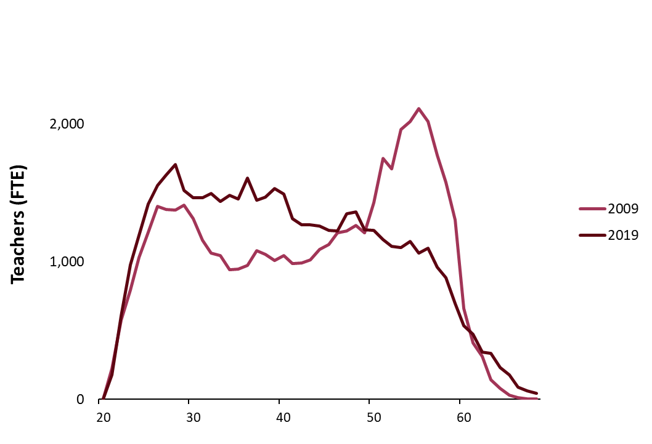

Teachers (fte)
Age | 2009 | 2019
20 | * | *
21 | 224.00000003 | 179
22 | 574.0800003 | 605
23 | 795.06000077 | 979
24 | 1029.8400011 | 1,193
25 | 1213.849201 | 1,418
26 | 1401.4058013 | 1,552
27 | 1378.6434016 | 1,630
28 | 1376.3100015 | 1,706
29 | 1411.7369017 | 1,515
30 | 1,311 | 1,463
31 | 1,154 | 1,465
32 | 1,061 | 1,496
33 | 1,043 | 1,439
34 | 944 | 1,483
35 | 947 | 1,456
36 | 973 | 1,605
37 | 1,081 | 1,444
38 | 1,055 | 1,470
39 | 1,009 | 1,530
40 | 1,045 | 1,490
41 | 988 | 1,313
42 | 992 | 1,265
43 | 1,011 | 1,267
44 | 1,089 | 1,259
45 | 1,125 | 1,228
46 | 1,210 | 1,225
47 | 1,223 | 1,348
48 | 1,261 | 1,362
49 | 1,210 | 1,233
50 | 1,430 | 1,225
51 | 1,750 | 1,162
52 | 1,674 | 1,110
53 | 1,960 | 1,104
54 | 2,016 | 1,148
55 | 2,111 | 1,064
56 | 2,018 | 1,100
57 | 1,772 | 958
58 | 1,576 | 884
59 | 1,303 | 696
60 | 662 | 533
61 | 412 | 471
62 | 313 | 344
63 | 144 | 334
64 | 78 | 230
65 | 32 | 180
66 | 15 | 87
67 | 6 | 61
68 | 6 | 44

Chart 2
Chart 2: Age profile of GTCS registered early learning and childcare teachers, 2019
23 | 5
24 | 10
25 | 11
26 | 11
27 | 10
28 | 11
29 | 24
30 | 28
31 | 39
32 | 30
33 | 46
34 | 27
35 | 51
36 | 50
37 | 40
38 | 57
39 | 56
40 | 60
41 | 51
42 | 42
43 | 46
44 | 51
45 | 39
46 | 45
47 | 61
48 | 59
49 | 53
50 | 48
51 | 52
52 | 51
53 | 56
54 | 46
55 | 49
56 | 28
57 | 37
58 | 28
59 | 37
60 | 21
61 | 17
62 | 11
63 | 20
64 | 6
65 | 6

